Week 3 Bugs
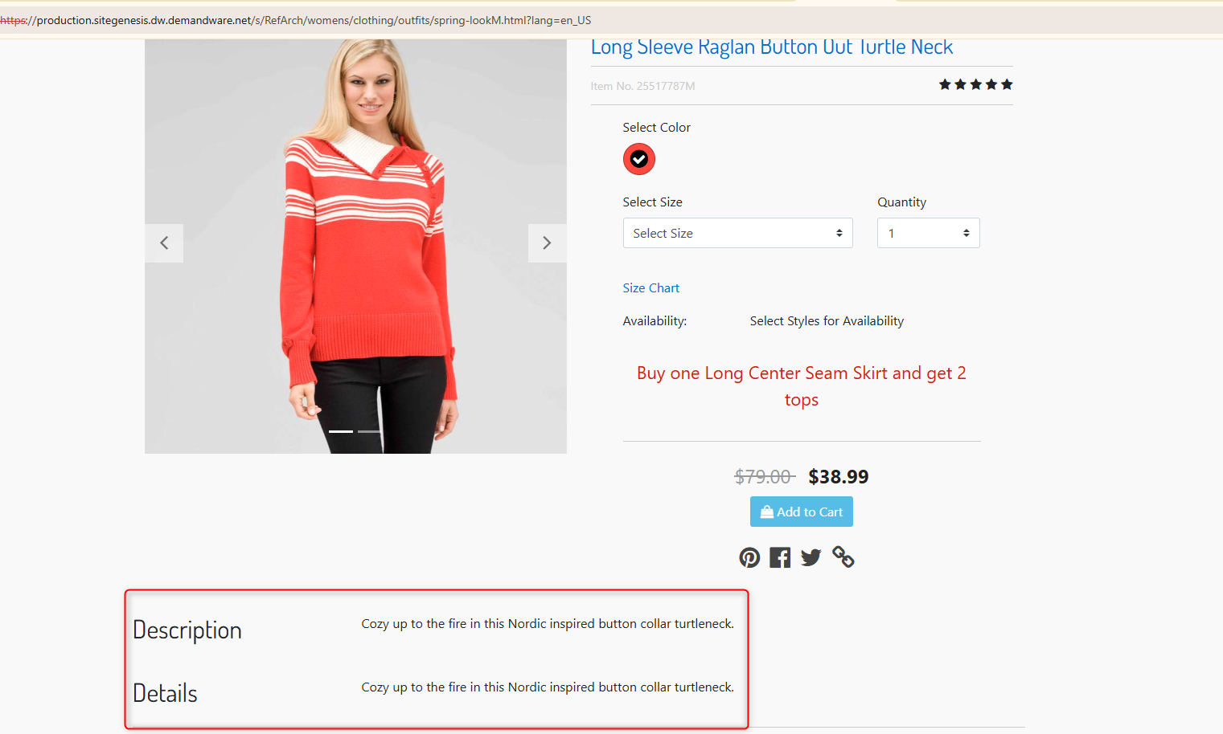
 | Defect Title | Severity | Priority | Device | Browser | Requirement ID | Screenshot/Video |  |  |  |  | Date Detected
 |  |  |  |  |  |  |  | Nº | Step to Reproduce | Actual Results | Expected Results
BUG-001 | [Dresses PLP] Product tiles display 'null' instead of price and description | Major | Major | Desktop | Chrome |  |  | 1 | Navigate to Women > Clothing > Dresses. | Multiple product tiles display "null" instead of prices or descriptions. | Display valid price and attribute data from the database. | 2024-02-26
 |  |  |  |  | EDGE
 |  |  |  |  |  |  |  | 2 | Observe the product tiles in the grid.
 |  |  |  | Mobile | Sansumg S8+
 |  | Trivial | Trivial
 |  | Major | Major
 |  | Critical | Critical
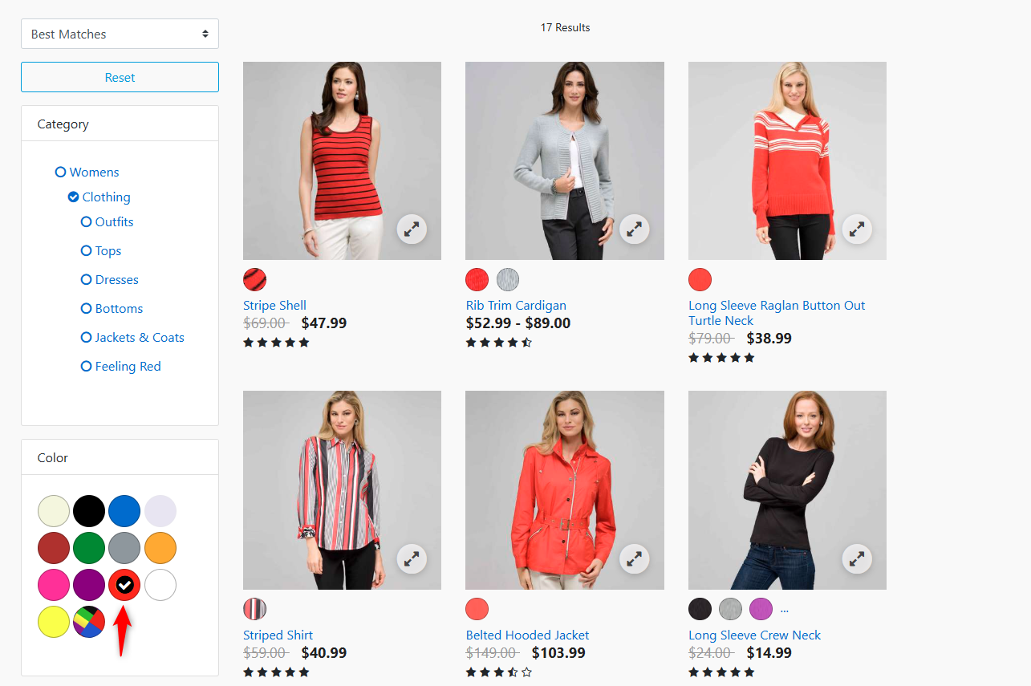
 |  |  | Blocker
BUG-002 | [Dresses PLP] Filter category is incorrectly labeled "QuangTest" (Dev Data Leak) | Medium | Medium | Desktop | Chrome |  |  | 1 | Navigate to Women > Clothing > Dresses. | A filter category is labeled "QuangTest" instead of a functional attribute. | Filter labels should reflect production categories (e.g., Color). | 2024-02-26
 |  |  |  |  | EDGE
 |  |  |  |  |  |  |  | 2 | Look at the filtering options on the left.
 |  |  |  | Mobile | Sansumg S8+
 |  | Trivial | Trivial
 |  | Major | Major
 |  | Critical | Critical
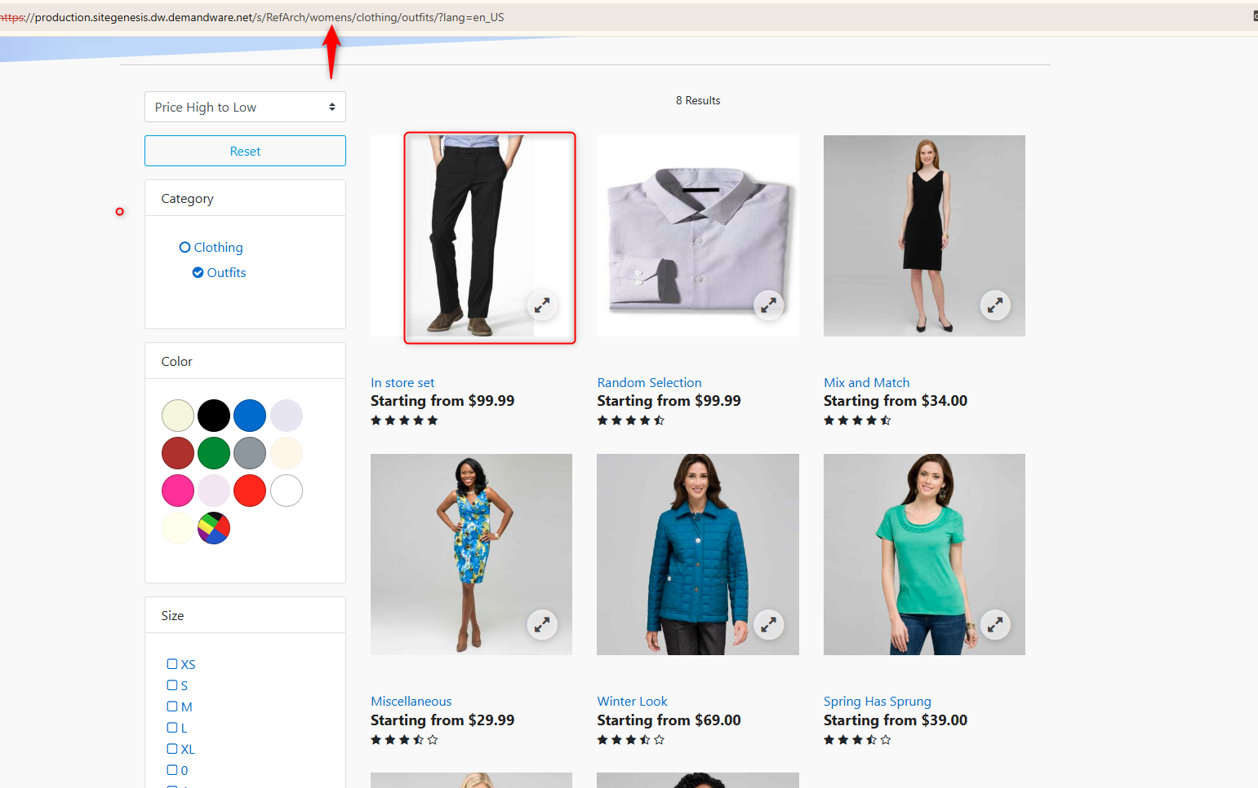
 |  |  | Blocker
BUG-003 | [Dresses PLP] Men's Suit is incorrectly categorized in the Women's Dresses results | Medium | Medium | Desktop | Chrome |  |  | 1 | Navigate to Women > Clothing > Dresses. | A "Men's Suit" appears within the "Women's Dresses" category results. | Only items tagged as "Dresses" should appear in this category. | 2024-02-26
 |  |  |  |  | EDGE
 |  |  |  | Mobile | Sansumg S8+ |  |  | 2 | Scroll through the product grid.
 |  | Trivial | Trivial
 |  | Major | Major
 |  | Critical | Critical
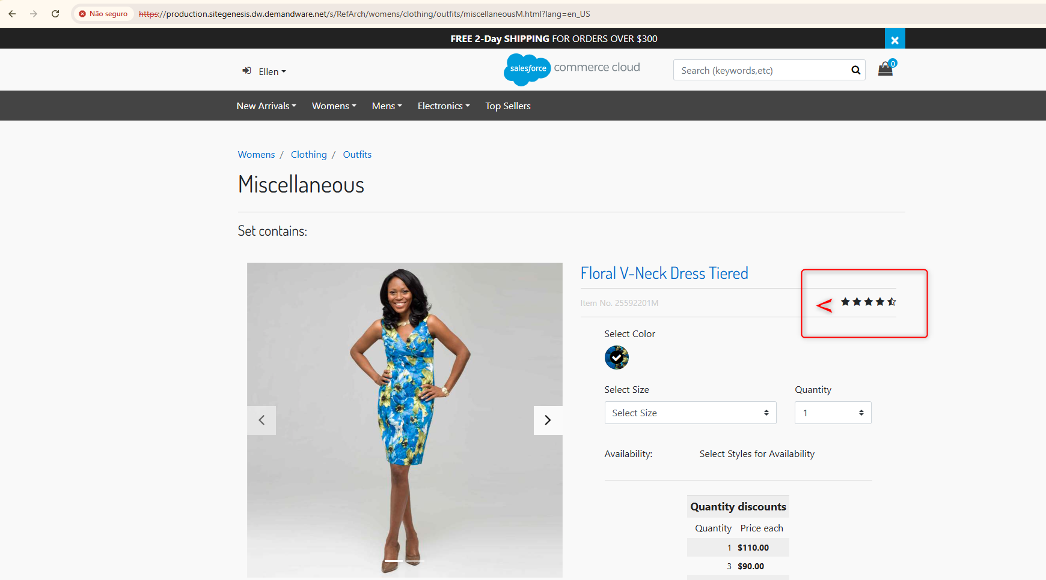
 |  |  | Blocker
BUG-004 | [Dresses PLP] Visual star rating icons are missing/broken on product tiles | Minor | Minor | Desktop | Chrome |  |  | 1 | 1. Navigate to Women > Clothing > Dresses. | Ratings show text (3.5/5) but the star icons are missing or broken. | Visual star rating should render alongside the numerical value. | 2024-02-26
 |  |  |  |  | EDGE
 |  |  |  |  |  |  |  | 0 | 2. Look at the rating section of any product tile.
 |  |  |  | Mobile | Sansumg S8+
 |  | Trivial | Trivial
 |  | Major | Major
 |  | Critical | Critical
 |  |  | Blocker

